stroopdata
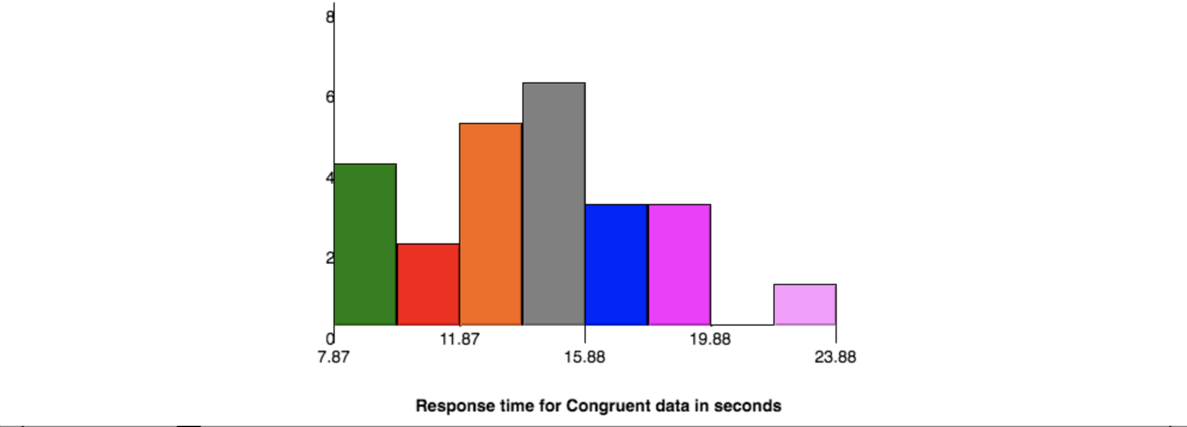
Congruent (x) | Incongruent (y) | Difference (x-y) | Square of difference |  |  |  | n | 24
12.079 | 19.278 | -7.199 | 51.825601 |  |  |  | Degrees of Freedom | 23
16.791 | 18.741 | -1.95 | 3.8025 |  |  |  | Mean (x) | 14.051125
9.564 | 21.214 | -11.65 | 135.7225 |  |  |  | Mean (y) | 22.015916667
8.63 | 15.687 | -7.057 | 49.801249 |  | 4.8648269104
14.669 | 22.803 | -8.134 | 66.161956 |  |  |  | Point estimate | -7.9647916667
12.238 | 20.878 | -8.64 | 74.6496 | Variance | 89.862617 |  | Variance | 89.862617
14.692 | 24.572 | -9.88 | 97.6144 | SD | 9.4795894953 | Standard Deviation of the square of Differences
8.987 | 17.394 | -8.407 | 70.677649 |  |  |  |  | 4.8648269104
9.401 | 20.762 | -11.361 | 129.072321 |  | 23.666540868
14.48 | 26.282 | -11.802 | 139.287204 |  |  |  | t statistic | -8.0207069441
22.328 | 24.524 | -2.196 | 4.822416
15.298 | 18.644 | -3.346 | 11.195716 |  |  | T critical for 2 tailed test at alpha 0.05 ---->
15.073 | 17.51 | -2.437 | 5.938969 |  |  |  |  | 2.069
16.929 | 20.33 | -3.401 | 11.566801
18.2 | 35.255 | -17.055 | 290.873025
12.13 | 22.158 | -10.028 | 100.560784
18.495 | 25.139 | -6.644 | 44.142736 |  |  | Standard Deviation (x) |  | 3.5593579576
10.639 | 20.429 | -9.79 | 95.8441 |  |  | Standard Deviation (y) |  | 4.7970571225
11.344 | 17.425 | -6.081 | 36.978561
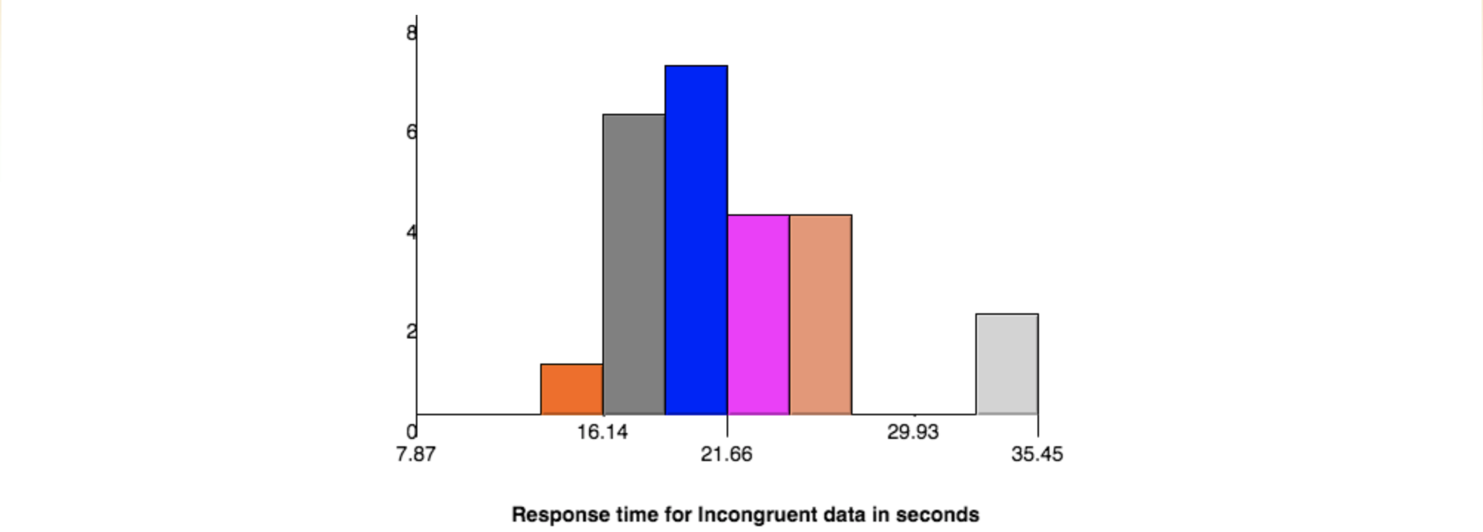
12.369 | 34.288 | -21.919 | 480.442561
12.944 | 23.894 | -10.95 | 119.9025
14.233 | 17.96 | -3.727 | 13.890529 |  |  | SD(x) | 3.8291047881
19.71 | 22.058 | -2.348 | 5.513104
16.004 | 21.157 | -5.153 | 26.553409

Congruent (x) | Incongruent (y) | Difference= x - Mean(x) | Difference= y - Mean(y) | Squared difference (x) | Squared Difference (y)
12.079 | 19.278 | -1.972125 | -2.7379166667 | 3.8892770156 | 7.4961876736
16.791 | 18.741 | 2.739875 | -3.2749166667 | 7.5069150156 | 10.725079174
9.564 | 21.214 | -4.487125 | -0.80191666667 | 20.134290766 | 0.64307034028
8.63 | 15.687 | -5.421125 | -6.3289166667 | 29.388596266 | 40.055186174
14.669 | 22.803 | 0.617875 | 0.78708333333 | 0.38176951562 | 0.61950017361
12.238 | 20.878 | -1.813125 | -1.1379166667 | 3.2874222656 | 1.2948543403 | SD (x) | 3.5593579576 | FALSE
14.692 | 24.572 | 0.640875 | 2.5560833333 | 0.41072076562 | 6.5335620069
8.987 | 17.394 | -5.064125 | -4.6219166667 | 25.645362016 | 21.362113674
9.401 | 20.762 | -4.650125 | -1.2539166667 | 21.623662516 | 1.5723070069
14.48 | 26.282 | 0.428875 | 4.2660833333 | 0.18393376562 | 18.199467007
22.328 | 24.524 | 8.276875 | 2.5080833333 | 68.506659766 | 6.2904820069
15.298 | 18.644 | 1.246875 | -3.3719166667 | 1.5546972656 | 11.369822007
15.073 | 17.51 | 1.021875 | -4.5059166667 | 1.0442285156 | 20.303285007
16.929 | 20.33 | 2.877875 | -1.6859166667 | 8.2821645156 | 2.8423150069
18.2 | 35.255 | 4.148875 | 13.239083333 | 17.213163766 | 175.27332751
12.13 | 22.158 | -1.921125 | 0.14208333333 | 3.6907212656 | 0.020187673611
18.495 | 25.139 | 4.443875 | 3.1230833333 | 19.748025016 | 9.7536495069
10.639 | 20.429 | -3.412125 | -1.5869166667 | 11.642597016 | 2.5183045069
11.344 | 17.425 | -2.707125 | -4.5909166667 | 7.3285257656 | 21.07651584
12.369 | 34.288 | -1.682125 | 12.272083333 | 2.8295445156 | 150.60402934
12.944 | 23.894 | -1.107125 | 1.8780833333 | 1.2257257656 | 3.5271970069
14.233 | 17.96 | 0.181875 | -4.0559166667 | 0.033078515625 | 16.450460007
19.71 | 22.058 | 5.658875 | 0.042083333333 | 32.022866266 | 0.0017710069444
16.004 | 21.157 | 1.952875 | -0.85891666667 | 3.8137207656 | 0.73773784028
 |  |  |  | 291.38766863 | 529.27041183

